1. Title Page
Grocery Basekt Analysis

Project Name: Instacart Grocery Basket Analysis
Date: April 2023
Analyst Name: Rebekka Brandt

Contents:
Population Flow
Consistency checks
Wrangling steps
Column derivations
Visualizations
Recommendations

Citation : “The Instacart Online Grocery Shopping Dataset
2017”, Accessed from https://www.instacart.com/datasets/grocery-shopping-2017 on
2023-04-04
Prices and customer data were fabricated for this analysis

2. Population Flow
Title page

Population flow

Exclusion flag
Condition: max_order <
Obervations to be removed:
Final total count of order_products_all:

Orders_products_combined
Orders_products_merged
Orders_products_all

Total: 32404859
Total:32434489
Total: 32404859

1.) The grey boxes in the first row of the population flow represent the original data sets as they were when you downloaded them. In the Total fields you need to add the count of the rows when you imported the data set into Jupyter.
2.) The second row of boxes (coloured) represents the data sets after you manipulated them, e.g., removed missing values and duplicates. In the Total fields you need to add the count of the rows after conducting these operations. This offers a visual oveview of how the data flows throughout the data consistency checks.
3.) The third row, where also the arrows are coloured, represents the merges you performed between the datasets. In the Total fields you need to add the count of the rows in the merged datasets, so that you end up with the final dataset (in the red box). Keep in mind the final dataset should be without exclusions (based on the exclusion flag).

3. Consistency checks
 |  |  |  | Title page
Consistency checks

Dataset | Missing values | Missing values treatment | Duplicates
orders | missing values in days_since_previous_oder | nothing as this is correct | no duplicats
products | 16 missing product names | Rows dropped | 5 duplicates removed
customers | 11259 First Names missing | nothing as other data that is relevant exists | no duplicats

4. Wrangling steps
 |  |  |  | Title page
Wrangling steps

Columns dropped | Columns renamed | Columns' type changed | Comment/Reason
eval_set |  |  | Data not needed
 | order_dow renamed to orders_day_of_week |  | Clearer description needed for coloumn name
 |  | order_id changed to String | Has no numeric meaning
 |  | user_id changed to String | Has no numeric meaning
 | days_since_prior_order renamed to days_since_previous_order |  | Clearer description needed for coloumn name
_merge |  |  | Data not needed
Unnamned |  |  | Data not needed
 | First Name renamed to first_name |  | alligned wording and set clearer column name
 | Surnam renamed to last_name |  | alligned wording and set clearer column name
 | Gender renamde to gender |  | alligned wording and set clearer column name
 | STATE renamed to state |  | alligned wording and set clearer column name
 | Age renamed to age |  | alligned wording and set clearer column name
 | n_dependants renamed to number_of_dependants |  | alligned wording and set clearer column name
 | fam_status renamed to family status |  | alligned wording and set clearer column name
 |  | first name changed to string | had mixed values
Frist_name |  |  | PII
Last_name |  |  | PII

5. Column derivations
 |  |  |  | Title page

Column derivations and aggregations

In this tab you should add tables below that the frequences of flags/label variables that you produced after deriving them. NB: don't do this for continuous variables, only for flags.
Dataset | New column | Column/s it was derived from | Conditions
df_ords_prods_merged | price_range_loc | prices | > 15 = High Range <= 15 > 5 = Mid Range <= 5 Low Range
df_ords_prods_merged | busiest_day | orders_day_of_week | =0 = Busiest Day = 4 = Least Buys all other days = Reguarly Busy
df_ords_prods_merged | busiest_days | orders_day_of_week | =0, 1 = Busiest Day = 3,4 = Least Buys all other days = Reguarly Busy
df_ords_prods_merged | busiest_period_of_day | order_hour_of_day | 10,11,14,15,13,12,16,9 = Most Orders 17, 8, 18,19,20,7,21,22 = Average Orders all others = Fewest Orders
df_ords_prods_merged | loyalty_flag | max_prder | >40 = Loyal Customer <= 40 , > 10 = Regular Customer <= 10 = New Customer
df_ords_prods_merged | spending_flag | avg_price | < 10 = Low Spender >= 10 = High Spender
df_ords_prods_merged | frequency_flag | order_freq | > 20 = non frequent customer <=20, >10 =Regular customer <= 10 = Frequent customer
order_products_all | region | State | States located in Northeast, Midwest, South, West
order_products_all | age_range | Age | < 25 Young Adult 26-59 Middle Aged > 60 Senior
order_products_all | income_range | Income | < 40K Low Income 40K-100 K Mid Income > 100K High Income
order_products_all | parents | number_of_dependants | 0 = no 1,2,3 = yes
order_products_all | DOW | orders_day_of_week | 2,3,4,5,6 Weekday Shopper 0, 1 Weekend Shopper

6. Visualizations
 |  |  |  |  | Title page

Visualisations

In this tab you should include all the visualtions from Exercises 4.9 and 4.10, alongside the questions from the project brief that they answer. Include any commentary on the relationship between different variables.

The sales team needs to know what the busiest days of the week and hours of the day are (i.e., the days and times with the most orders) in order to schedule ads at times when there are fewer orders.

Chart 1) | Number of Orders by day


X-Axis = Day of Order (0 = Saturday)
Y- Axis = Number of Orders
We can see that we recieve the most orders on the weekend and towards the end of the week. The amount of orders drop towards the middle of the week

Chart 2) Number of Orders by hour

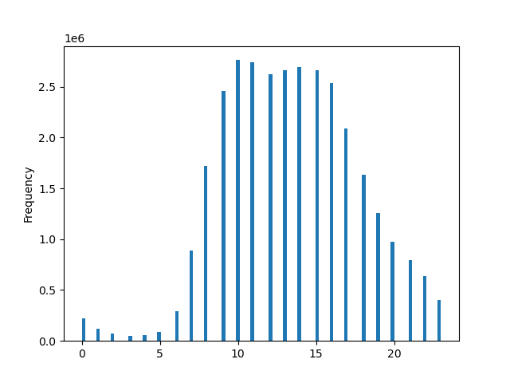

X-Axis = Hour of Order
Y- Axis = Number of Orders
The most orders seem to come in between 10:00 and 15:00, with orders then dropping until they reach the lowest period between 0:00 and 5:00

They also want to know whether there are particular times of the day when people the most money, as this might inform the type of products they advertise at these times.

Chart 3) Prices paid by hour of day
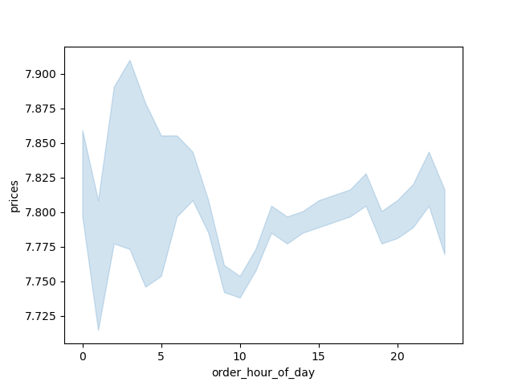

X-Axis = Hour of Day
Y- Axis = Prices paid
The products with the highest prices get purchased in the early morning hours, around 3-4. This however does not mean that this is when customers spend the most money overall, as we know from the previous chart that this is also when the least orders are placed. The least amout on money per item is spent around 10 in the morning, which correlates with the time that the most orders are placed

Are there certain types of products that are more popular than others? The marketing and sales teams want to know which departments have the highest frequency of product orders.

Chart 4-8)

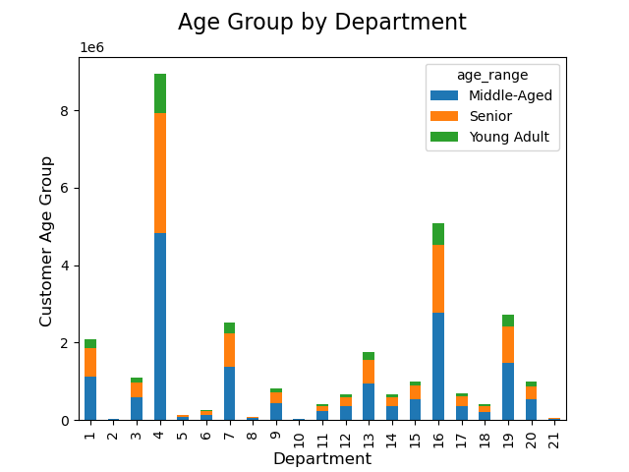
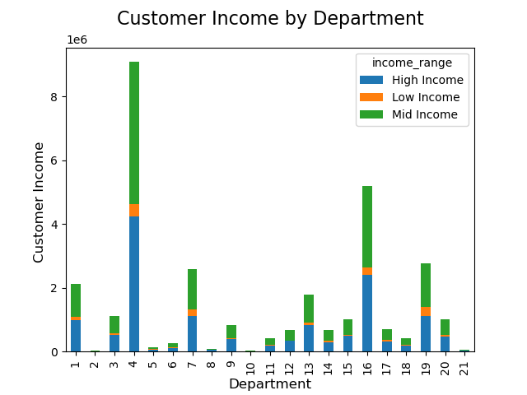
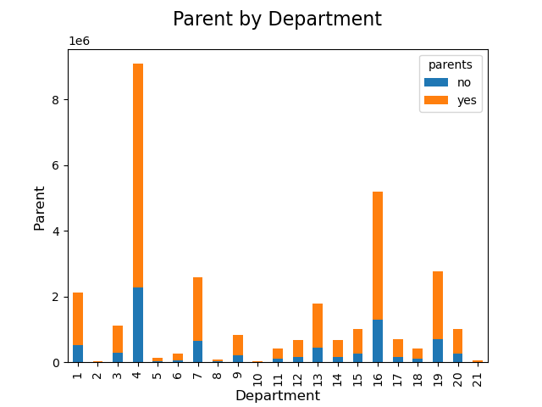
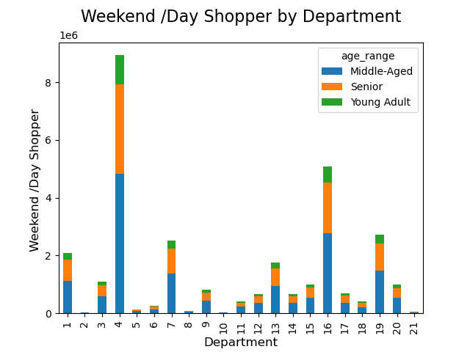

Over all customer profile there seem to be a clear preference towards products from department 4 (produce), followed by 16 (dairy, eggs) and 19 (snacks)

The marketing and sales teams are particularly interested in the different types of customers in their system and how their ordering behaviors differ. What’s the distribution among users in regards to their brand loyalty (i.e., how often do they return to Instacart)?

Chart 9) Number of Orders by Customer Loyalty



● Are there differences in ordering habits based on a customer’s loyalty status?
● Are there differences in ordering habits based on a customer’s region?
● Is there a connection between age and family status in terms of ordering habits?

X-Axis = Customer Loyalty (left to right: Regular, Loyal, New Customer
Y- Axis = Orders
The most orders get placed by regular customers, followed by loayal customers and unsurprisingly new customers place the least orders

Are there differences in ordering habits based on a customer’s region?

Chart 10-14)

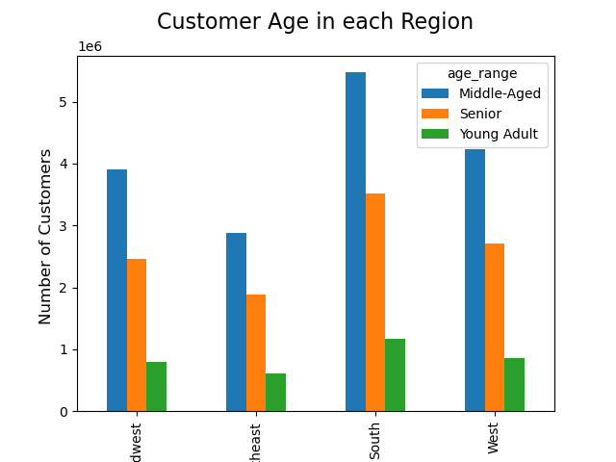
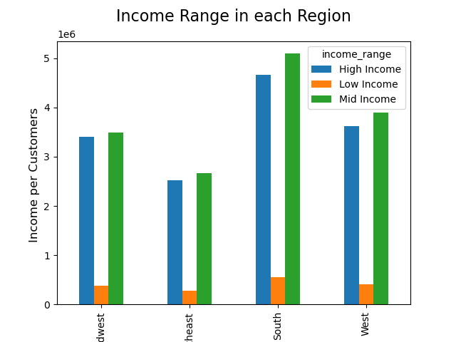
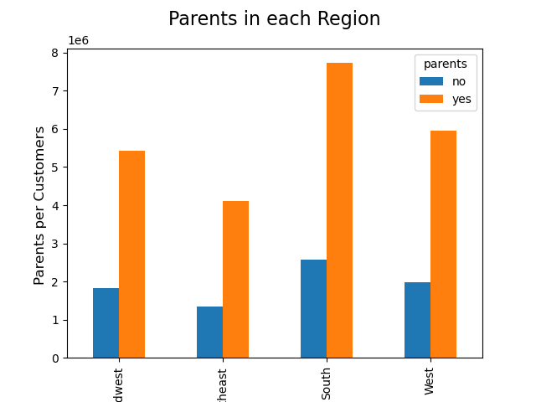
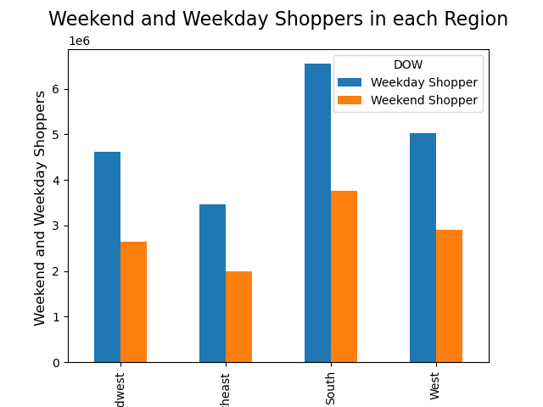

Generally speaking we can see similar customer behaviour for the customer profiles over the regeions The most spending power seems to be with the middle aged customers Mid to high income customers place the most orders Parents place more orders Most orders are places on Weekdays Overall the Northeast seems to have the least orders and the South the most

Is there a connection between age and income in terms of ordering habits

Chart 15) | Orders over Customer Age and Income


We can see that the higher the age the higher the income is. There also seems to be a significant jump around the age of 40. Over all ages the most orders seem to be in te income bracket up to 200K. Then another cluster as of the age of 40 up to 300K

What differences can you find in ordering habits of different customer profiles

Chart 16) Number of Orders by Age Group |  |  |  | Chart 16) Number of Orders by Parent Status |  |  | Chart 16) Number of Orders by Weekend /Weekday Shoppers

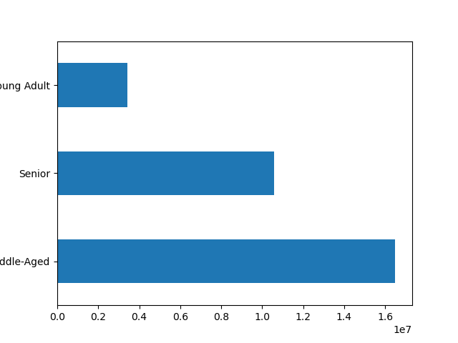
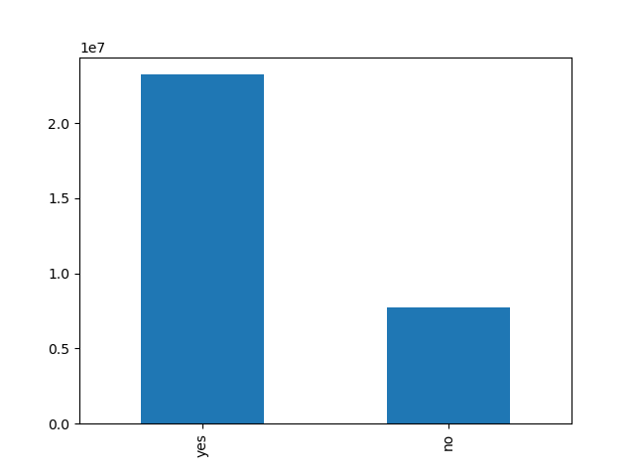
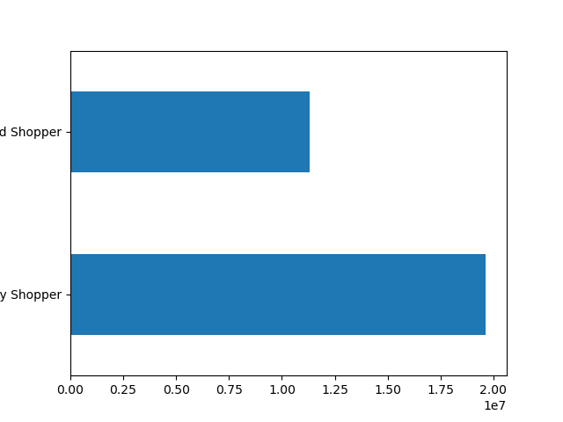

 | X-Axis = Number of Orders |  | X-Axis = Parent |  |  | X-Axis = Top to Bottom (Weekend Shopper, Weekday Shopper)
 | Y- Axis = Age Group |  | Y- Axis = Number of Orders |  |  | Y- Axis = Number of Orders
 |  | Top to Bottom: Young Adult >25 Senior 60+ Middle Aged 26-59

7. Recommendations
 |  |  |  |  | Title page

Recommendations

In this tab you should include any recommendations you would made to Instcart in terms of their marketing strategy based on the questions posed in the brief. Every key question has been covered in the Tasks of the Exercises - here you need to add an item - a visualisation or table/crosstable that is showing the answer in the data, acompanied by a comment from you. Please, list the questions below and add the answer underneath.

Question 1 | Answer
Key Question 1 : The sales team needs to know what the busiest days of the week and hours of the day are (i.e., the days and times with the most orders) in order to schedule ads at times when there are fewer orders. | Answer: The least orders happen on Wednesday and Thursday. Most orders are places between 10:00 and 15:00 /16:00. Focus marketing efforts on the mid of the week in the morning and evenings to fill these order gaps
Key Question 2 They also want to know whether there are particular times of the day when people spend the most money, as this might inform the type of products they advertise at these times. | Answer: The products with the highest prices get purchased in the early morning hours, around 3-4. This however does not mean that this is when customers spend the most money overall, as we know from the previous chart that this is also when the least orders are placed. Identify what products are purchased during those timeframes and push those products
Key Question 3 Instacart has a lot of products with different price tags. Marketing and sales want to use simpler price range groupings to help direct their efforts. | Answer: Price Groups have been established (see Tab 5 ) > 15 = High Range <= 15 > 5 = Mid Range <= 5 Low Range
Key Question 4 Are there certain types of products that are more popular than others? The marketing and sales teams want to know which departments have the highest frequency of product orders. | Answer: Over all customer profile there seem to be a clear preference towards products from department 4 (produce), followed by 16 (dairy, eggs) and 19 (snacks) |  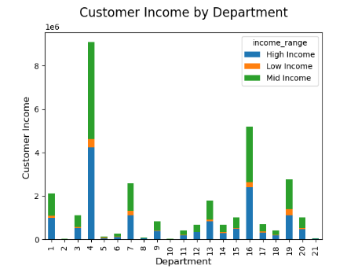 |  |  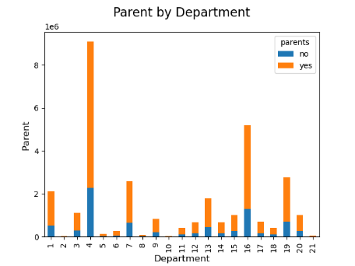
Key Question 5 The marketing and sales teams are particularly interested in the different types of customers in their system and how their ordering behaviors differ | Answer: The Mayority of customers are middle aged (26-59 ), most of whom have children. The most orders happen during the weekdays. Most customers have medium to high income. |  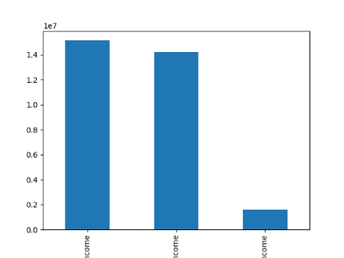 |  |  
Key Question 6 What different classifications does the demographic information suggest? Age? Income? Certain types of goods? Family status? | Answer: Generally speaking we can see similar customer behaviour for the customer profiles over the regions The most spending power seems to be with the middle aged customers Mid to high income customers place the most orders Parents place more orders Most orders are places on Weekdays Overall the Northeast seems to have the least orders and the South the most |  |  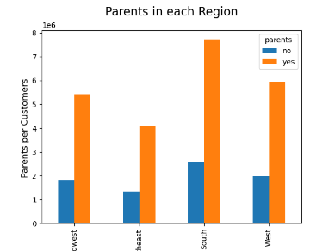 | 